bugreport
QA |  |  |  |  |  |  |  |  |  |  | dev
Bug ID | ModuleName | Build No | Description | TestcaseID | Steps to replicate bug | Screenshot | Sevirity | Priority | Reported By | Assigned to | Resolution | status | Fixed Date
sleeplogik_001 | sleeplogik-Brands_01 | 1 | url of Laura Ashley page is showing wrong | TC_Brands_ Laura Ashley_005 | 1) Launch browser 2) Open URL "https://sleeplogik.com/" 3)Move the cursor Brands 4)click Laura Ashley In dropdown menu | 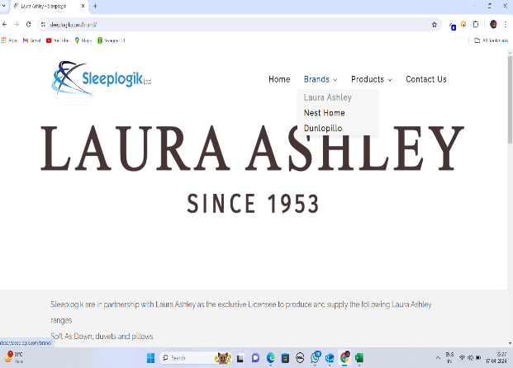 | s3 | p2 | sreenu |  | Accepted | open

